Choosing the correct chart
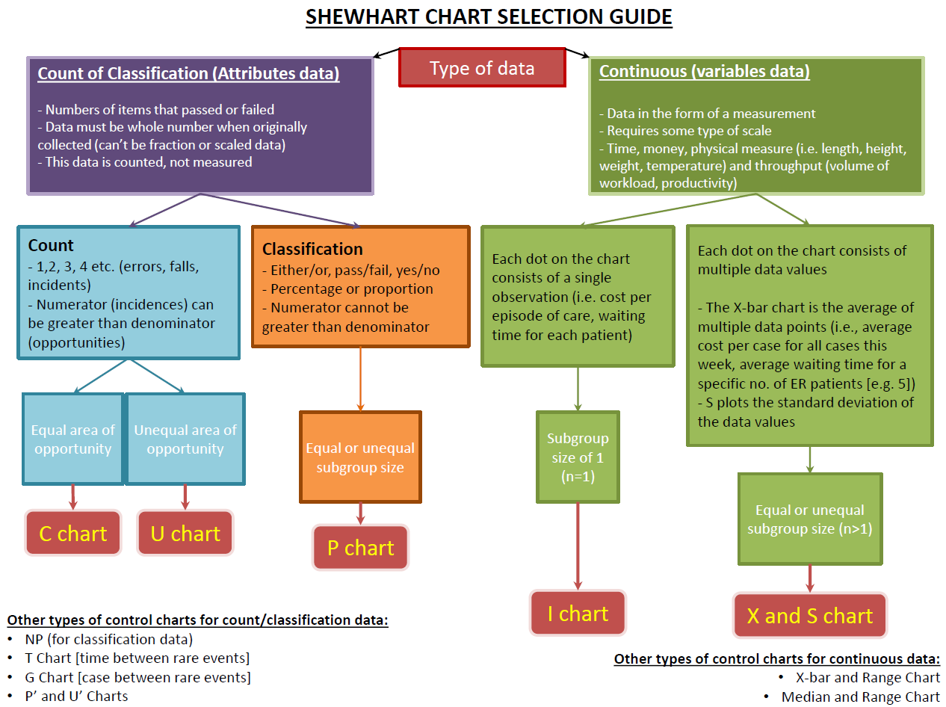

5. X bar S Chart
Type | X Bar S CHART
Data | Length of Stay
Please note: This is all dummy data made up for the purposes of using QI charts.
X-bar Chart
 | Subgroup | Center | UCL | LCL
1-May-14 | 3.75 | 3.9 | 4.6 | 3.2
1-Jun-14 | 4.1290322581 | 3.9 | 4.7 | 3.1
1-Jul-14 | 3.6176470588 | 3.9 | 4.6 | 3.2
1-Aug-14 | 4.4117647059 | 3.9 | 4.6 | 3.2
1-Sep-14 | 3.5416666667 | 3.9 | 4.8 | 3.0
1-Oct-14 | 4.1764705882 | 3.9 | 4.6 | 3.2
1-Nov-14 | 3.7941176471 | 3.9 | 4.6 | 3.2
1-Dec-14 | 3.9642857143 | 3.9 | 4.7 | 3.1
1-Jan-15 | 3.6176470588 | 3.9 | 4.6 | 3.2
1-Feb-15 | 4.064516129 | 3.9 | 4.7 | 3.1
1-Mar-15 | 3.6774193548 | 3.9 | 4.7 | 3.1
1-Apr-15 | 3.5 | 3.9 | 4.8 | 3.0
1-May-15 | 4.8571428571 | 3.9 | 4.7 | 3.1
1-Jun-15 | 3.96 | 3.9 | 4.8 | 3.0
1-Jul-15 | 3.6666666667 | 3.9 | 4.7 | 3.1
1-Aug-15 | 3.5675675676 | 3.9 | 4.6 | 3.2
1-Sep-15 | 3.4666666667 | 3.9 | 4.7 | 3.1
1-Oct-15 | 4.0285714286 | 3.9 | 4.6 | 3.2
1-Nov-15 | 3.5641025641 | 3.9 | 4.6 | 3.2
1-Dec-15 | 3.2571428571 | 3.9 | 4.6 | 3.2
1-Jan-16 | 3.9428571429 | 3.9 | 4.6 | 3.2
1-Feb-16 | 3.8235294118 | 3.9 | 4.6 | 3.2
1-Mar-16 | 3.6 | 3.9 | 4.6 | 3.2
1-Apr-16 | 3.5135135135 | 3.9 | 4.6 | 3.2
Month | Case1 | Case 2 | Case 3 | Case 4 | Case 5 | Case 6 | Case 7 | Case 8 | Case 9 | Case10 | Case11 | Case 12 | Case 13 | Case 14 | Case 15 | Case 16 | Case 17 | Case 18 | Case 19 | Case 20 | Case 21 | Case 22 | Case 23 | Case 24 | Case 25 | Case 26 | Case 27 | Case 28 | Case 29 | Case 30 | Case 31 | Case 32 | Case 33 | Case 34 | Case 35 | Case36 | Case 37 | Case 38 | Case 39 | Case 40 | Average | Count | Standard Deviation
May-14 | 4 | 1 | 3 | 2 | 3 | 4 | 5 | 5 | 5 | 4 | 3 | 4 | 4 | 5 | 4 | 3 | 2 | 1 | 4 | 5 | 4 | 3 | 4 | 3 | 5 | 2 | 3 | 4 | 3 | 5 | 4 | 5 | 4 | 3 | 5 | 5 | 4 | 5 | 4 | 4 | 3.75 | 40 | 1.1036071393
Jun-14 | 2 | 1 | 3 | 5 | 5 | 4 | 5 | 7 | 5 | 4 | 3 | 5 | 5 | 5 | 5 | 3 | 2 | 2 | 3 | 5 | 4 | 5 | 4 | 5 | 5 | 4 | 3 | 4 | 5 | 5 | 5 |  |  |  |  |  |  |  |  |  | 4.1290322581 | 31 | 1.2843139669
Jul-14 | 4 | 1 | 3 | 2 | 3 | 4 | 5 | 5 | 5 | 4 | 3 | 4 | 4 | 5 | 4 | 3 | 2 | 1 | 4 | 5 | 4 | 3 | 4 | 3 | 5 | 2 | 3 | 4 | 3 | 5 | 4 | 5 | 4 | 3 |  |  |  |  |  |  | 3.6176470588 | 34 | 1.1285470918
Aug-14 | 5 | 4 | 3 | 5 | 5 | 5 | 8 | 5 | 5 | 4 | 4 | 5 | 5 | 8 | 5 | 3 | 2 | 2 | 3 | 5 | 4 | 5 | 4 | 5 | 5 | 4 | 3 | 4 | 5 | 5 | 5 | 3 | 4 | 3 |  |  |  |  |  |  | 4.4117647059 | 34 | 1.3054117441
Sep-14 | 4 | 1 | 3 | 2 | 3 | 4 | 5 | 5 | 5 | 4 | 3 | 4 | 4 | 5 | 4 | 3 | 2 | 1 | 4 | 5 | 4 | 3 | 4 | 3 |  |  |  |  |  |  |  |  |  |  |  |  |  |  |  |  | 3.5416666667 | 24 | 1.1787674722
Oct-14 | 2 | 6 | 3 | 5 | 5 | 4 | 8 | 5 | 5 | 4 | 3 | 5 | 5 | 5 | 5 | 3 | 2 | 2 | 3 | 5 | 4 | 5 | 4 | 5 | 5 | 4 | 3 | 4 | 5 | 5 | 5 | 1 | 2 | 5 |  |  |  |  |  |  | 4.1764705882 | 34 | 1.4028237375
Nov-14 | 4 | 1 | 3 | 2 | 3 | 4 | 5 | 5 | 11 | 4 | 3 | 4 | 4 | 5 | 4 | 3 | 2 | 1 | 4 | 5 | 4 | 3 | 4 | 3 | 5 | 2 | 3 | 4 | 3 | 5 | 4 | 5 | 4 | 3 |  |  |  |  |  |  | 3.7941176471 | 34 | 1.6837802305
Dec-14 | 2 | 1 | 3 | 5 | 5 | 4 | 5 | 5 | 5 | 4 | 3 | 5 | 5 | 5 | 5 | 3 | 2 | 2 | 3 | 5 | 4 | 5 | 4 | 5 | 5 | 4 | 3 | 4 |  |  |  |  |  |  |  |  |  |  |  |  | 3.9642857143 | 28 | 1.2013000013
Jan-15 | 4 | 1 | 3 | 2 | 3 | 4 | 5 | 5 | 5 | 4 | 3 | 4 | 4 | 5 | 4 | 3 | 2 | 1 | 4 | 5 | 4 | 3 | 4 | 3 | 5 | 2 | 3 | 4 | 3 | 5 | 4 | 5 | 4 | 3 |  |  |  |  |  |  | 3.6176470588 | 34 | 1.1285470918
Feb-15 | 2 | 1 | 3 | 5 | 5 | 4 | 5 | 5 | 5 | 4 | 3 | 5 | 5 | 5 | 5 | 3 | 2 | 2 | 3 | 5 | 4 | 5 | 4 | 5 | 5 | 4 | 3 | 4 | 5 | 5 | 5 |  |  |  |  |  |  |  |  |  | 4.064516129 | 31 | 1.1813970225
Mar-15 | 4 | 1 | 3 | 2 | 3 | 4 | 5 | 5 | 5 | 3 | 4 | 5 | 5 | 5 | 4 | 3 | 4 | 4 | 2 | 1 | 3 | 5 | 5 | 3 | 5 | 2 | 3 | 4 | 3 | 5 | 4 |  |  |  |  |  |  |  |  |  | 3.6774193548 | 31 | 1.2216681703
Apr-15 | 2 | 1 | 3 | 5 | 5 | 4 | 1 | 3 | 2 | 3 | 4 | 5 | 5 | 5 | 3 | 5 | 2 | 3 | 4 | 3 | 5 | 4 |  |  |  |  |  |  |  |  |  |  |  |  |  |  |  |  |  |  | 3.5 | 22 | 1.3363062096
May-15 | 5 | 7 | 1 | 2 | 3 | 15 | 2 | 7 | 3 | 5 | 5 | 4 | 1 | 3 | 18 | 3 | 8 | 5 | 5 | 5 | 3 | 5 | 2 | 3 | 4 | 3 | 5 | 4 |  |  |  |  |  |  |  |  |  |  |  |  | 4.8571428571 | 28 | 3.7289089429
Jun-15 | 5 | 4 | 3 | 4 | 4 | 5 | 4 | 3 | 2 | 1 | 4 | 5 | 8 | 5 | 3 | 2 | 2 | 3 | 5 | 4 | 6 | 3 | 5 | 5 | 4 |  |  |  |  |  |  |  |  |  |  |  |  |  |  |  | 3.96 | 25 | 1.4854853303
Jul-15 | 5 | 4 | 3 | 5 | 5 | 5 | 5 | 3 | 2 | 2 | 3 | 4 | 5 | 4 | 3 | 2 | 1 | 4 | 5 | 4 | 1 | 3 | 2 | 3 | 4 | 6 | 3 | 5 | 5 | 4 |  |  |  |  |  |  |  |  |  |  | 3.6666666667 | 30 | 1.3217891045
Aug-15 | 5 | 3 | 4 | 5 | 5 | 5 | 4 | 3 | 4 | 4 | 2 | 5 | 5 | 5 | 3 | 2 | 2 | 3 | 5 | 4 | 1 | 3 | 5 | 5 | 4 | 1 | 3 | 2 | 3 | 2 | 3 | 4 | 5 | 3 | 2 | 3 | 5 |  |  |  | 3.5675675676 | 37 | 1.2592003755
Sep-15 | 2 | 3 | 4 | 5 | 5 | 5 | 3 | 5 | 2 | 3 | 4 | 4 | 5 | 4 | 3 | 2 | 1 | 4 | 5 | 4 | 1 | 3 | 2 | 3 | 4 | 1 | 3 | 5 | 5 | 4 |  |  |  |  |  |  |  |  |  |  | 3.4666666667 | 30 | 1.3060425439
S Chart
 | Subgroup | Center | UCL | LCL
1-May-14 | 1.1036071393 | 1.4 | 1.9 | 0.9
1-Jun-14 | 1.2843139669 | 1.4 | 2.0 | 0.9
1-Jul-14 | 1.1285470918 | 1.4 | 1.9 | 0.9
1-Aug-14 | 1.3054117441 | 1.4 | 1.9 | 0.9
1-Sep-14 | 1.1787674722 | 1.4 | 2.0 | 0.8
1-Oct-14 | 1.4028237375 | 1.4 | 1.9 | 0.9
1-Nov-14 | 1.6837802305 | 1.4 | 1.9 | 0.9
1-Dec-14 | 1.2013000013 | 1.4 | 2.0 | 0.8
1-Jan-15 | 1.1285470918 | 1.4 | 1.9 | 0.9
1-Feb-15 | 1.1813970225 | 1.4 | 2.0 | 0.9
1-Mar-15 | 1.2216681703 | 1.4 | 2.0 | 0.9
1-Apr-15 | 1.3363062096 | 1.4 | 2.1 | 0.8
1-May-15 | 3.7289089429 | 1.4 | 2.0 | 0.8
1-Jun-15 | 1.4854853303 | 1.4 | 2.0 | 0.8
1-Jul-15 | 1.3217891045 | 1.4 | 2.0 | 0.9
1-Aug-15 | 1.2592003755 | 1.4 | 1.9 | 0.9
1-Sep-15 | 1.3060425439 | 1.4 | 2.0 | 0.9
1-Oct-15 | 3.32977401 | 1.4 | 1.9 | 0.9
1-Nov-15 | 1.6510741606 | 1.4 | 1.9 | 0.9
1-Dec-15 | 1.2912114044 | 1.4 | 1.9 | 0.9
1-Jan-16 | 1.3491360447 | 1.4 | 1.9 | 0.9
1-Feb-16 | 1.3135791549 | 1.4 | 1.9 | 0.9
1-Mar-16 | 1.3547302749 | 1.4 | 1.9 | 0.9
1-Apr-16 | 1.5387877917 | 1.4 | 1.9 | 0.9
Oct-15 | 3 | 5 | 5 | 4 | 1 | 3 | 21 | 3 | 8 | 5 | 5 | 5 | 5 | 5 | 3 | 2 | 2 | 3 | 5 | 4 | 1 | 3 | 5 | 5 | 4 | 1 | 3 | 2 | 3 | 4 | 1 | 3 | 2 | 3 | 4 |  |  |  |  |  | 4.0285714286 | 35 | 3.32977401
Nov-15 | 5 | 5 | 8 | 5 | 8 | 5 | 3 | 2 | 2 | 3 | 5 | 4 | 5 | 4 | 3 | 2 | 1 | 4 | 5 | 4 | 1 | 3 | 2 | 3 | 4 | 1 | 2 | 3 | 4 | 1 | 3 | 2 | 3 | 5 | 4 | 3 | 4 | 3 | 5 |  | 3.5641025641 | 39 | 1.6510741606
Dec-15 | 4 | 4 | 5 | 4 | 5 | 4 | 3 | 2 | 1 | 4 | 5 | 5 | 5 | 5 | 3 | 2 | 2 | 3 | 5 | 4 | 1 | 3 | 2 | 3 | 4 | 1 | 3 | 2 | 3 | 4 | 1 | 3 | 2 | 3 | 4 |  |  |  |  |  | 3.2571428571 | 35 | 1.2912114044
Jan-16 | 5 | 5 | 5 | 5 | 5 | 5 | 3 | 2 | 2 | 3 | 5 | 4 | 5 | 4 | 3 | 3 | 5 | 4 | 3 | 4 | 3 | 6 | 5 | 4 | 3 | 2 | 1 | 4 | 5 | 4 | 1 | 3 | 6 | 5 | 6 |  |  |  |  |  | 3.9428571429 | 35 | 1.3491360447
Feb-16 | 4 | 4 | 5 | 4 | 5 | 4 | 3 | 2 | 1 | 4 | 5 | 5 | 5 | 4 | 5 | 5 | 4 | 3 | 5 | 4 | 5 | 5 | 5 | 5 | 3 | 2 | 2 | 3 | 5 | 4 | 1 | 3 | 1 | 5 |  |  |  |  |  |  | 3.8235294118 | 34 | 1.3135791549
Mar-16 | 5 | 5 | 5 | 5 | 5 | 5 | 3 | 2 | 2 | 3 | 5 | 3 | 5 | 4 | 3 | 5 | 4 | 5 | 3 | 4 | 3 | 2 | 5 | 4 | 3 | 2 | 1 | 4 | 5 | 4 | 1 | 3 | 5 | 1 | 2 |  |  |  |  |  | 3.6 | 35 | 1.3547302749
Apr-16 | 4 | 4 | 5 | 4 | 5 | 4 | 3 | 2 | 1 | 4 | 5 | 3 | 2 | 3 | 3 | 5 | 4 | 3 | 3 | 2 | 5 | 4 | 3 | 5 | 3 | 2 | 2 | 3 | 5 | 4 | 1 | 3 | 1 | 9 | 2 | 4 | 5 |  |  |  | 3.5135135135 | 37 | 1.5387877917

